Sheet1
z | fm | fm_top
0.01 | 0
0.02 | 0
0.03 | 0
0.04 | 2
0.01 | 0 | 0.07 |  | 0.120625 | 16
0.02 | 0 | 0.08
0.03 | 0 | 0.12
0.04 | 2 | 0.13
0.05 | 6 | 0.14
0.06 | 16 | 0.15
0.07 | 24 |  | 24
0.08 | 24 |  | 24
0.09 | 16
0.1 | 4
0.11 | 14
0.12 | 30 |  | 30
0.13 | 38 |  | 38
0.14 | 38 |  | 38
0.15 | 38 |  | 38
0.05 | 6
0.06 | 16
0.07 | 24 | 24 | 0.63157894737 | 1.68
0.08 | 24 | 24 | 0.63157894737 | 1.92
0.09 | 16
0.1 | 4
0.11 | 14
0.12 | 30 | 30 | 0.78947368421 | 3.6
0.13 | 38 | 38 | 1 | 4.94
0.14 | 38 | 38 | 1 | 5.32
0.15 | 38 | 38 | 1 | 5.7
 | sum of fm | 192 | fm * z | 23.16 | z centroid | 0.120625

 |  | 6.9282032303

 | centroid
Z centroid | 0.120625
fm centroid | 16

1 | 2
2 | 0
3 | 0
4 | 0
5 | 2
6 | 6
7 | 16
8 | 30
9 | 50
10 | 68 | 68 |  | 680
11 | 86 | 86 |  | 946
12 | 106 | 106 |  | 1272
13 | 110 | 110 |  | 1430
14 | 110 | 110 |  | 1540
15 | 110 | 110 |  | 1650
 | sum of fm | 590 | fm * z | 7518 | z centroid | 12.742372881

 |  | 17.546129678

examine the stdev calc
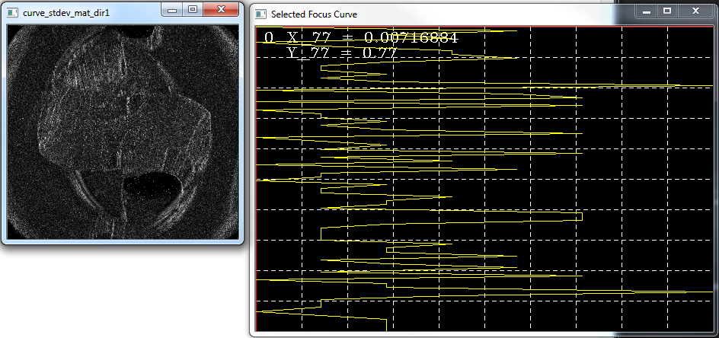
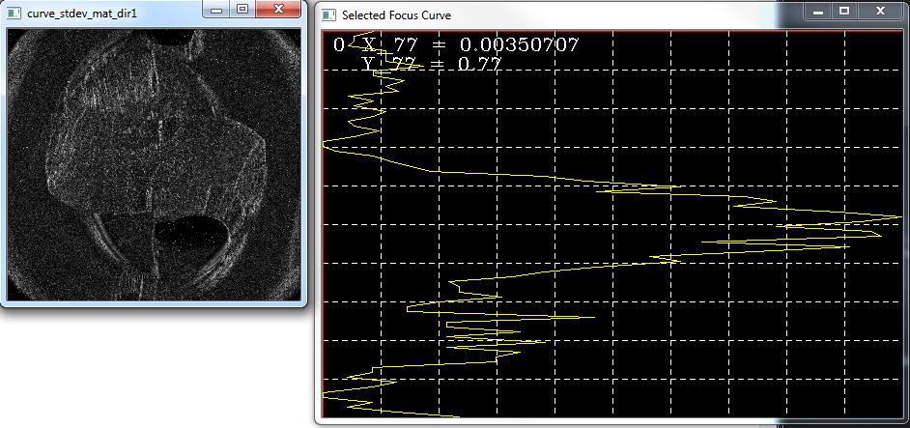
z values
0.01 | 0.02 | 0.03 | 0.04 | 0.05 | 0.06 | 0.07 | 0.08 | 0.09 | 0.1 | 0.11 | 0.12 | 0.13 | 0.14 | 0.15 | 0.16 | 0.17 | 0.18 | 0.19 | 0.2 | 0.21 | 0.22 | 0.23 | 0.24 | 0.25 | 0.26 | 0.27 | 0.28 | 0.29 | 0.3 | 0.31 | 0.32 | 0.33 | 0.34 | 0.35 | 0.36 | 0.37 | 0.38 | 0.39 | 0.4 | 0.41 | 0.42 | 0.43 | 0.44 | 0.45 | 0.46 | 0.47 | 0.48 | 0.49 | 0.5 | 0.51 | 0.52 | 0.53 | 0.54 | 0.55 | 0.56 | 0.57 | 0.58 | 0.59 | 0.6 | 0.61 | 0.62 | 0.63 | 0.64 | 0.65 | 0.66 | 0.67 | 0.68 | 0.69 | 0.7 | 0.71 | 0.72 | 0.73 | 0.74 | 0.75 | 0.76 | 0.77 | 0.78

z_step = | 0.01
452 | 216 | curve_stdev = 65.9847 |  |  |  | alpha = 0.0082005
fm_vector
0.0011928 | 0.0007455 | 0.0007455 | 0.0005964 | 0.001491 | 0.001491 | 0.001491 | 0.0023856 | 0.0011928 | 0.0011928 | 0.0019383 | 0.001491 | 0.0017892 | 0.0005964 | 0.0011928 | 0.0007455 | 0.001491 | 0.0011928 | 0.0005964 | 0.0007455 | 0.0013419 | 0.0007455 | 0 | 0 | 0.0002982 | 0.0011928 | 0.0016401 | 0.0020874 | 0.0025347 | 0.00522841 | 0.00622429 | 0.00846504 | 0.00647327 | 0.00995887 | 0.0107058 | 0.0097099 | 0.0121996 | 0.0136934 | 0.0126976 | 0.0107058 | 0.0129465 | 0.0131955 | 0.00896298 | 0.0124486 | 0.0102078 | 0.00771812 | 0.00846504 | 0.00647327 | 0.00522841 | 0.00448149 | 0.00298766 | 0.00323663 | 0.00323663 | 0.00423252 | 0.00273869 | 0.00199177 | 0.00199177 | 0.00642963 | 0.00292256 | 0.00292256 | 0.00467609 | 0.00292256 | 0.00526061 | 0.00292256 | 0.00467609 | 0.00409158 | 0.00409158 | 0.00116902 | 0.00116902 | 0.000584512 | 0.00175354 | 0.00116902 | 0 | 0 | 0.00116902 | 0.000584512 | 0.00175354 | 0.00350707

fm_val_max | 0.0136934

fm_vector_norm
0.087107657704 | 0.054442286065 | 0.054442286065 | 0.043553828852 | 0.10888457213 | 0.10888457213 | 0.10888457213 | 0.17421531541 | 0.087107657704 | 0.087107657704 | 0.14154994377 | 0.10888457213 | 0.13066148656 | 0.043553828852 | 0.087107657704 | 0.054442286065 | 0.10888457213 | 0.087107657704 | 0.043553828852 | 0.054442286065 | 0.097996114917 | 0.054442286065 | 0 | 0 | 0.021776914426 | 0.087107657704 | 0.11977302934 | 0.15243840098 | 0.18510377262 | 0.38181970876 | 0.45454671594 | 0.61818394263 | 0.47272919801 | 0.72727518367 | 0.7818218996 | 0.70909343187 | 0.8909109498 | 1 | 0.92727883506 | 0.7818218996 | 0.9454554749 | 0.96363941753 | 0.65454744621 | 0.90909489243 | 0.74545401434 | 0.56363795697 | 0.61818394263 | 0.47272919801 | 0.38181970876 | 0.32727372311 | 0.21818248207 | 0.23636423386 | 0.23636423386 | 0.30909197131 | 0.20000073028 | 0.14545474462 | 0.14545474462 | 0.46954226124 | 0.21342836695 | 0.21342836695 | 0.34148494895 | 0.21342836695 | 0.38417120657 | 0.21342836695 | 0.34148494895 | 0.29879942162 | 0.29879942162 | 0.085371054669 | 0.085371054669 | 0.04268567339 | 0.12805731228 | 0.085371054669 | 0 | 0 | 0.085371054669 | 0.04268567339 | 0.12805731228 | 0.25611389428
1
top_fm_vector
FALSE | FALSE | FALSE | FALSE | FALSE | FALSE | FALSE | FALSE | FALSE | FALSE | FALSE | FALSE | FALSE | FALSE | FALSE | FALSE | FALSE | FALSE | FALSE | FALSE | FALSE | FALSE | FALSE | FALSE | FALSE | FALSE | FALSE | FALSE | FALSE | FALSE | FALSE | 0.61818394263 | FALSE | 0.72727518367 | 0.7818218996 | 0.70909343187 | 0.8909109498 | 1 | 0.92727883506 | 0.7818218996 | 0.9454554749 | 0.96363941753 | 0.65454744621 | 0.90909489243 | 0.74545401434 | 0.56363795697 | 0.61818394263 | FALSE | FALSE | FALSE | FALSE | FALSE | FALSE | FALSE | FALSE | FALSE | FALSE | FALSE | FALSE | FALSE | FALSE | FALSE | FALSE | FALSE | FALSE | FALSE | FALSE | FALSE | FALSE | FALSE | FALSE | FALSE | FALSE | FALSE | FALSE | FALSE | FALSE | FALSE

sum top | 11.836399287
mean top | 0.78909328582 |  | mean fm value of top 50%

inertia
0 | 0 | 0 | 0 | 0 | 0 | 0 | 0 | 0 | 0 | 0 | 0 | 0 | 0 | 0 | 0 | 0 | 0 | 0 | 0 | 0 | 0 | 0 | 0 | 0 | 0 | 0 | 0 | 0 | 0 | 0 | 0.0019781886164 | 0 | 0.0024727356245 | 0.0027363766486 | 0.0025527363547 | 0.0032963705143 | 0.0038 | 0.0036163874567 | 0.0031272875984 | 0.0038763674471 | 0.0040472855536 | 0.0028145540187 | 0.0040000175267 | 0.0033545430645 | 0.0025927346021 | 0.0029054645304 | 0 | 0 | 0 | 0 | 0 | 0 | 0 | 0 | 0 | 0 | 0 | 0 | 0 | 0 | 0 | 0 | 0 | 0 | 0 | 0 | 0 | 0 | 0 | 0 | 0 | 0 | 0 | 0 | 0 | 0 | 0
sum of inertia = | 0.047171049557

Z Centroid = | 0.398525332

0.01 | 0.0011928
0.02 | 0.0007455
0.03 | 0.0007455
0.04 | 0.0005964
0.05 | 0.001491
0.06 | 0.001491
0.07 | 0.001491
0.08 | 0.0023856
0.09 | 0.0011928
0.1 | 0.0011928
0.11 | 0.0019383
0.12 | 0.001491
0.13 | 0.0017892
0.14 | 0.0005964
0.15 | 0.0011928
0.16 | 0.0007455
0.17 | 0.001491
0.18 | 0.0011928
0.19 | 0.0005964
0.2 | 0.0007455
0.21 | 0.0013419
0.22 | 0.0007455
0.23 | 0
0.24 | 0
0.25 | 0.0002982
0.26 | 0.0011928
0.27 | 0.0016401
0.28 | 0.0020874
0.29 | 0.0025347
0.3 | 0.00522841
0.31 | 0.00622429
0.32 | 0.00846504
0.33 | 0.00647327
0.34 | 0.00995887
0.35 | 0.0107058
0.36 | 0.0097099
0.37 | 0.0121996
0.38 | 0.0136934
0.39 | 0.0126976
0.4 | 0.0107058
0.41 | 0.0129465
0.42 | 0.0131955
0.43 | 0.00896298
0.44 | 0.0124486
0.45 | 0.0102078
0.46 | 0.00771812
0.47 | 0.00846504
0.48 | 0.00647327
0.49 | 0.00522841
0.5 | 0.00448149
...
0 | 0 | 0 | 0 | 0 | 0 | 0 | 0 | 0 | 0 | 0 | 0 | 0 | 0 | 0 | 0 | 0 | 0 | 0 | 0 | 0 | 0 | 0 | 0 | 0 | 0 | 0 | 0 | 0 | 0 | 0 | 0.0038118629917 | 0 | 0.0024910734945 | 0.0018409621612 | 0.0010524373267 | 0.00072492939854 | 0.00034318792583 | 6.7395817993E-05 | 1.7001856329E-06 | 0.0001244862368 | 0.00044439326971 | 0.00064843052067 | 0.0015637778387 | 0.001975185852 | 0.0021300638208 | 0.0031580719006 | 0 | 0 | 0 | 0 | 0 | 0 | 0 | 0 | 0 | 0 | 0 | 0 | 0 | 0 | 0 | 0 | 0 | 0 | 0 | 0 | 0 | 0 | 0 | 0 | 0 | 0 | 0 | 0 | 0 | 0 | 0
0.14275138788
2.9066329765
0.41492589144

0.13731809267

532 | 59 | curve_stdev = 37.4003 |  |  |  | alpha = 0.0250909
0 | 0.0143377 | 0.00716884 | 0.0107533 | 0 | 0.00358442 | 0.0107533 | 0.0107533 | 0.0143377 | 0.00716884 | 0.00358442 | 0.00358442 | 0.00716884 | 0.00358442 | 0.00716884 | 0.0250909 | 0 | 0.0143377 | 0.0179221 | 0 | 0.0179221 | 0 | 0.00358442 | 0.00358442 | 0.00716884 | 0.00358442 | 0.00716884 | 0.0179221 | 0 | 0.00358442 | 0.00716884 | 0.00358442 | 0.0179221 | 0.00358442 | 0.0107533 | 0 | 0.0143377 | 0.00358442 | 0.00358442 | 0 | 0.00716884 | 0.00358442 | 0.00358442 | 0.0107533 | 0.00716884 | 0.00716884 | 0.00358442 | 0.0179221 | 0.0179221 | 0.0179221 | 0.00716884 | 0.00358442 | 0.00358442 | 0.00358442 | 0.00358442 | 0.0107533 | 0.00716884 | 0.00716884 | 0.0143377 | 0.00358442 | 0.00716884 | 0.0143377 | 0.00358442 | 0.0179221 | 0 | 0.00716884 | 0.00716884 | 0.0250909 | 0.0107533 | 0.00358442 | 0.00358442 | 0.00358442 | 0 | 0.00358442 | 0.00716884 | 0.00716884 | 0.00716884 | 0.00716884

fm_val_max | 0.0250909

fm_vector_norm
0 | 1.0470518644 | 0.52352520192 | 0.785290724 | 0 | 0.26176260096 | 0.785290724 | 0.785290724 | 1.0470518644 | 0.52352520192 | 0.26176260096 | 0.26176260096 | 0.52352520192 | 0.26176260096 | 0.52352520192 | 1.8323352856 | 0 | 1.0470518644 | 1.3088130048 | 0 | 1.3088130048 | 0 | 0.26176260096 | 0.26176260096 | 0.52352520192 | 0.26176260096 | 0.52352520192 | 1.3088130048 | 0 | 0.26176260096 | 0.52352520192 | 0.26176260096 | 1.3088130048 | 0.26176260096 | 0.785290724 | 0 | 1.0470518644 | 0.26176260096 | 0.26176260096 | 0 | 0.52352520192 | 0.26176260096 | 0.26176260096 | 0.785290724 | 0.52352520192 | 0.52352520192 | 0.26176260096 | 1.3088130048 | 1.3088130048 | 1.3088130048 | 0.52352520192 | 0.26176260096 | 0.26176260096 | 0.26176260096 | 0.26176260096 | 0.785290724 | 0.52352520192 | 0.52352520192 | 1.0470518644 | 0.26176260096 | 0.52352520192 | 1.0470518644 | 0.26176260096 | 1.3088130048 | 0 | 0.52352520192 | 0.52352520192 | 1.8323352856 | 0.785290724 | 0.26176260096 | 0.26176260096 | 0.26176260096 | 0 | 0.26176260096 | 0.52352520192 | 0.52352520192 | 0.52352520192 | 0.52352520192
1.8323352856
top_fm_vector
FALSE | 1.0470518644 | 0.52352520192 | 0.785290724 | FALSE | FALSE | 0.785290724 | 0.785290724 | 1.0470518644 | 0.52352520192 | FALSE | FALSE | 0.52352520192 | FALSE | 0.52352520192 | 1.8323352856 | FALSE | 1.0470518644 | 1.3088130048 | FALSE | 1.3088130048 | FALSE | FALSE | FALSE | 0.52352520192 | FALSE | 0.52352520192 | 1.3088130048 | FALSE | FALSE | 0.52352520192 | FALSE | 1.3088130048 | FALSE | 0.785290724 | FALSE | 1.0470518644 | FALSE | FALSE | FALSE | 0.52352520192 | FALSE | FALSE | 0.785290724 | 0.52352520192 | 0.52352520192 | FALSE | 1.3088130048 | 1.3088130048 | 1.3088130048 | 0.52352520192 | FALSE | FALSE | FALSE | FALSE | 0.785290724 | 0.52352520192 | 0.52352520192 | 1.0470518644 | FALSE | 0.52352520192 | 1.0470518644 | FALSE | 1.3088130048 | FALSE | 0.52352520192 | 0.52352520192 | 1.8323352856 | 0.785290724 | FALSE | FALSE | FALSE | FALSE | FALSE | 0.52352520192 | 0.52352520192 | 0.52352520192 | 0.52352520192

sum top | 36.385024903
mean top | 0.69803481969 |  | mean fm value of top 50%

inertia
0 | 0 | 0 | 0 | 0 | 0 | 0 | 0 | 0 | 0 | 0 | 0 | 0 | 0 | 0 | 0 | 0 | 0 | 0 | 0 | 0 | 0 | 0 | 0 | 0 | 0 | 0 | 0 | 0 | 0 | 0 | 0 | 0 | 0 | 0 | 0 | 0 | 0 | 0 | 0 | 0 | 0 | 0 | 0 | 0 | 0 | 0 | 0 | 0 | 0 | 0 | 0 | 0 | 0 | 0 | 0 | 0 | 0 | 0 | 0 | 0 | 0 | 0 | 0 | 0 | 0 | 0 | 0 | 0 | 0 | 0 | 0 | 0 | 0 | 0 | 0 | 0 | 0
sum of inertia = | 0

Z Centroid = | #DIV/0!

0 | 0.16629533217 | 0.083147550101 | 0.12472178909 | 0 | 0 | 0.12472178909 | 0.12472178909 | 0.16629533217 | 0.083147550101 | 0 | 0 | 0.083147550101 | 0 | 0.083147550101 | 0.29101596141 | 0 | 0.16629533217 | 0.20786887525 | 0 | 0.20786887525 | 0 | 0 | 0 | 0.083147550101 | 0 | 0.083147550101 | 0.20786887525 | 0 | 0 | 0.083147550101 | 0 | 0.20786887525 | 0 | 0.12472178909 | 0 | 0.16629533217 | 0 | 0 | 0 | 0.083147550101 | 0 | 0 | 0.12472178909 | 0.083147550101 | 0.083147550101 | 0 | 0.20786887525 | 0.20786887525 | 0.20786887525 | 0.083147550101 | 0 | 0 | 0 | 0 | 0.12472178909 | 0.083147550101 | 0.083147550101 | 0.16629533217 | 0 | 0.083147550101 | 0.16629533217 | 0 | 0.20786887525 | 0 | 0.083147550101 | 0.083147550101 | 0.29101596141 | 0.12472178909 | 0 | 0 | 0 | 0 | 0 | 0.083147550101 | 0.083147550101 | 0.083147550101 | 0.083147550101
2.4039048325
1.6578249131
3.98525332

0.37377430067

